TransferMatrix
Element | Element Type | Length | Total Dist. | Angle | k-quad | Transfer Matrix(x) |  | Beta-x | Alpha-x | Gamma-x | Transfer Matrix(y) |  | Beta-y | Alpha-y | Gamma-y
Beampipe | DRIFT | 0.20 | 0.00 |  |  | 1.00 | 0.20 | 0.10 | -1.40 | 29.60 | 1.00 | 0.20 | 0.14 | 1.90 | 32.93
 |  |  |  |  |  | 0.00 | 1.00 |  |  |  | 0.00 | 1.00
Q1 | QUADR | 0.20 | 0.20 |  | -3.00E+01 | 0.46 | 0.16 | 1.84 | -7.32 | 29.60 | 1.66 | 0.24 | 0.70 | -4.69 | 32.93
 |  |  |  |  |  | -4.87 | 0.46 |  |  |  | 7.27 | 1.66
Beampipe | DRIFT | 0.10 | 0.40 |  |  | 1.00 | 0.10 | 2.25 | 6.16 | 17.30 | 1.00 | 0.10 | 7.64 | -42.92 | 241.22
 |  |  |  |  |  | 0.00 | 1.00 |  |  |  | 0.00 | 1.00
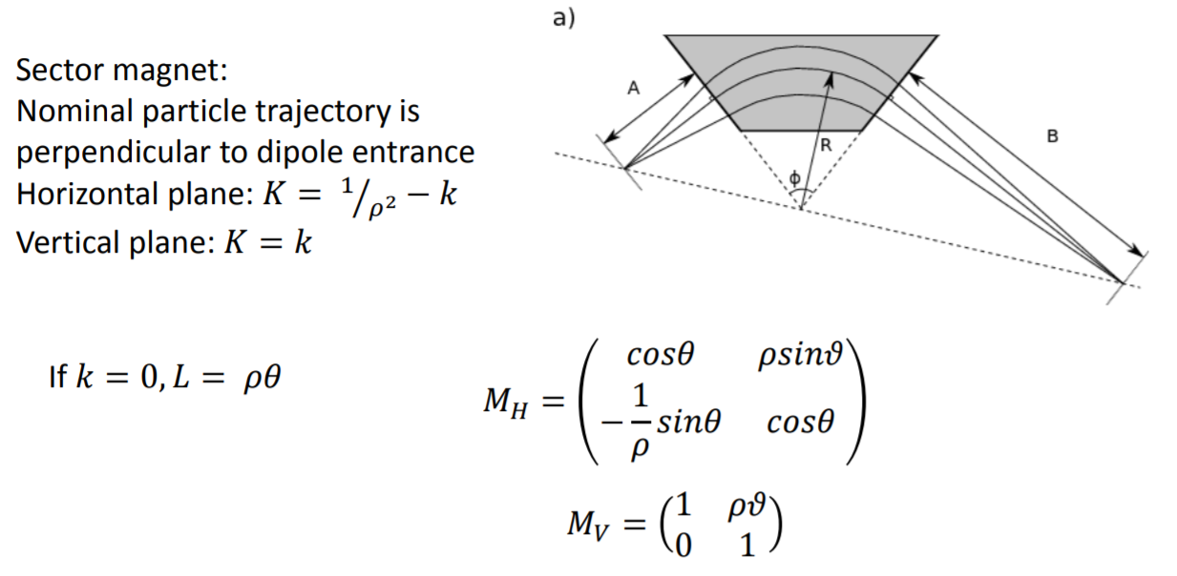
Q2 | QUADR | 0.20 | 0.50 |  | 2.50E+01 | 1.54 | 0.24 | 1.19 | 4.43 | 17.30 | 0.54 | 0.17 | 18.64 | -67.04 | 241.22
 |  |  |  |  |  | 5.88 | 1.54 |  |  |  | -4.21 | 0.54
Beampipe | DRIFT | 0.20 | 0.70 |  |  | 1.00 | 0.20 | 0.58 | -0.42 | 2.02 | 1.00 | 0.20 | 24.46 | 48.33 | 95.51
 |  |  |  |  |  | 0.00 | 1.00 |  |  |  | 0.00 | 1.00
Dipole | SBEND | 0.30 | 0.90 | 90.00 |  | 1.00 | 0.30 | 0.83 | -0.82 | 2.02 | 0.00 | 0.19 | 8.95 | 29.23 | 95.51
 |  |  |  |  |  | 0.00 | 1.00 |  |  |  | -5.23 | 0.00

