Alpha
Alpha
 | Alpha-x |  | Alpha-y |  | GPT_alphax |  | GPT_alphay
0.00 | 5.00 | 0.00 | 5.00 | 5.00E-03 | 4.99E+00 | 5.00E-03 | 4.99E+00
 |  |  |  | 1.00E-02 | 4.98E+00 | 1.00E-02 | 4.98E+00
0.30 | 4.29 | 0.30 | 4.29 | 1.50E-02 | 4.97E+00 | 1.50E-02 | 4.97E+00
 |  |  |  | 2.00E-02 | 4.96E+00 | 2.00E-02 | 4.95E+00
0.40 | 4.05 | 0.40 | 4.05 | 2.50E-02 | 4.95E+00 | 2.50E-02 | 4.94E+00
 |  |  |  | 3.00E-02 | 4.93E+00 | 3.00E-02 | 4.93E+00
0.60 | 3.58 | 0.60 | 3.58 | 3.50E-02 | 4.92E+00 | 3.50E-02 | 4.92E+00
 |  |  |  | 4.00E-02 | 4.91E+00 | 4.00E-02 | 4.91E+00
0.86 | 7.44 | 0.86 | -5.70 | 4.50E-02 | 4.90E+00 | 4.50E-02 | 4.90E+00
 |  |  |  | 5.00E-02 | 4.89E+00 | 5.00E-02 | 4.88E+00
1.16 | 0.74 | 1.16 | -7.28 | 5.50E-02 | 4.88E+00 | 5.50E-02 | 4.87E+00
 |  |  |  | 6.00E-02 | 4.86E+00 | 6.00E-02 | 4.86E+00
1.42 | -6.22 | 1.42 | 8.82 | 6.50E-02 | 4.85E+00 | 6.50E-02 | 4.85E+00
 |  |  |  | 7.00E-02 | 4.84E+00 | 7.00E-02 | 4.84E+00
2.22 | -30.14 | 2.22 | 2.37 | 7.50E-02 | 4.83E+00 | 7.50E-02 | 4.82E+00
 |  |  |  | 8.00E-02 | 4.82E+00 | 8.00E-02 | 4.81E+00
2.52 | -39.10 | 2.52 | -0.05 | 8.50E-02 | 4.80E+00 | 8.50E-02 | 4.80E+00
 |  |  |  | 9.00E-02 | 4.79E+00 | 9.00E-02 | 4.79E+00
2.72 | -45.08 | 2.72 | -1.67 | 9.50E-02 | 4.78E+00 | 9.50E-02 | 4.78E+00
 |  |  |  | 1.00E-01 | 4.77E+00 | 1.00E-01 | 4.77E+00
2.98 | 64.50 | 2.98 | -7.04 | 1.05E-01 | 4.76E+00 | 1.05E-01 | 4.75E+00
 |  |  |  | 1.10E-01 | 4.75E+00 | 1.10E-01 | 4.74E+00
3.28 | 44.40 | 3.28 | -13.21 | 1.15E-01 | 4.73E+00 | 1.15E-01 | 4.73E+00
 |  |  |  | 1.20E-01 | 4.72E+00 | 1.20E-01 | 4.72E+00
3.54 | 18.13 | 3.54 | -7.54 | 1.25E-01 | 4.71E+00 | 1.25E-01 | 4.71E+00
 |  |  |  | 1.30E-01 | 4.70E+00 | 1.30E-01 | 4.69E+00
4.34 | -0.50 | 4.34 | -10.78 | 1.35E-01 | 4.69E+00 | 1.35E-01 | 4.68E+00
 |  |  |  | 1.40E-01 | 4.67E+00 | 1.40E-01 | 4.67E+00
4.64 | -7.48 | 4.64 | -12.00 | 1.45E-01 | 4.66E+00 | 1.45E-01 | 4.66E+00
 |  |  |  | 1.50E-01 | 4.65E+00 | 1.50E-01 | 4.65E+00
4.84 | -12.13 | 4.84 | -12.81 | 1.55E-01 | 4.64E+00 | 1.55E-01 | 4.64E+00
 |  |  |  | 1.60E-01 | 4.63E+00 | 1.60E-01 | 4.62E+00
5.14 | -15.79 | 5.14 | -14.02 | 1.65E-01 | 4.61E+00 | 1.65E-01 | 4.61E+00
 |  |  |  | 1.70E-01 | 4.60E+00 | 1.70E-01 | 4.60E+00
6.64 | -40.91 | 6.64 | -20.10 | 1.75E-01 | 4.59E+00 | 1.75E-01 | 4.59E+00
 |  |  |  | 1.80E-01 | 4.58E+00 | 1.80E-01 | 4.58E+00
 |  |  |  | 1.85E-01 | 4.57E+00 | 1.85E-01 | 4.56E+00
 |  |  |  | 1.90E-01 | 4.56E+00 | 1.90E-01 | 4.55E+00
 |  |  |  | 1.95E-01 | 4.54E+00 | 1.95E-01 | 4.54E+00
 |  |  |  | 2.00E-01 | 4.53E+00 | 2.00E-01 | 4.53E+00
 |  |  |  | 2.05E-01 | 4.52E+00 | 2.05E-01 | 4.52E+00
 |  |  |  | 2.10E-01 | 4.51E+00 | 2.10E-01 | 4.51E+00
 |  |  |  | 2.15E-01 | 4.50E+00 | 2.15E-01 | 4.49E+00
 |  |  |  | 2.20E-01 | 4.48E+00 | 2.20E-01 | 4.48E+00
 |  |  |  | 2.25E-01 | 4.47E+00 | 2.25E-01 | 4.47E+00
 |  |  |  | 2.30E-01 | 4.46E+00 | 2.30E-01 | 4.46E+00
 |  |  |  | 2.35E-01 | 4.45E+00 | 2.35E-01 | 4.45E+00
 |  |  |  | 2.40E-01 | 4.44E+00 | 2.40E-01 | 4.43E+00
 |  |  |  | 2.45E-01 | 4.43E+00 | 2.45E-01 | 4.42E+00
 |  |  |  | 2.50E-01 | 4.41E+00 | 2.50E-01 | 4.41E+00
...

Beta
Beta
 | Beta-x |  | Beta-y |  | GPT_betax |  | GPT_betay
0.00 | 11.00 | 0.00 | 11.00 | 5.00E-03 | 1.10E+01 | 5.00E-03 | 1.10E+01
 |  |  |  | 1.00E-02 | 1.09E+01 | 1.00E-02 | 1.09E+01
0.30 | 8.21 | 0.30 | 8.21 | 1.50E-02 | 1.09E+01 | 1.50E-02 | 1.09E+01
 |  |  |  | 2.00E-02 | 1.08E+01 | 2.00E-02 | 1.08E+01
0.40 | 7.38 | 0.40 | 7.38 | 2.50E-02 | 1.08E+01 | 2.50E-02 | 1.08E+01
 |  |  |  | 3.00E-02 | 1.07E+01 | 3.00E-02 | 1.07E+01
0.60 | 5.85 | 0.60 | 5.85 | 3.50E-02 | 1.07E+01 | 3.50E-02 | 1.07E+01
 |  |  |  | 4.00E-02 | 1.06E+01 | 4.00E-02 | 1.06E+01
0.86 | 2.52 | 0.86 | 6.34 | 4.50E-02 | 1.06E+01 | 4.50E-02 | 1.06E+01
 |  |  |  | 5.00E-02 | 1.05E+01 | 5.00E-02 | 1.05E+01
1.16 | 0.07 | 1.16 | 10.23 | 5.50E-02 | 1.05E+01 | 5.50E-02 | 1.05E+01
 |  |  |  | 6.00E-02 | 1.04E+01 | 6.00E-02 | 1.04E+01
1.42 | 1.33 | 1.42 | 9.76 | 6.50E-02 | 1.04E+01 | 6.50E-02 | 1.04E+01
 |  |  |  | 7.00E-02 | 1.03E+01 | 7.00E-02 | 1.03E+01
2.22 | 30.42 | 2.22 | 0.82 | 7.50E-02 | 1.03E+01 | 7.50E-02 | 1.03E+01
 |  |  |  | 8.00E-02 | 1.02E+01 | 8.00E-02 | 1.02E+01
2.52 | 51.19 | 2.52 | 0.12 | 8.50E-02 | 1.02E+01 | 8.50E-02 | 1.02E+01
 |  |  |  | 9.00E-02 | 1.01E+01 | 9.00E-02 | 1.01E+01
2.72 | 68.03 | 2.72 | 0.47 | 9.50E-02 | 1.01E+01 | 9.50E-02 | 1.01E+01
 |  |  |  | 1.00E-01 | 1.00E+01 | 1.00E-01 | 1.00E+01
2.98 | 62.12 | 2.98 | 2.46 | 1.05E-01 | 9.98E+00 | 1.05E-01 | 9.98E+00
 |  |  |  | 1.10E-01 | 9.94E+00 | 1.10E-01 | 9.93E+00
3.28 | 29.44 | 3.28 | 8.53 | 1.15E-01 | 9.89E+00 | 1.15E-01 | 9.88E+00
 |  |  |  | 1.20E-01 | 9.84E+00 | 1.20E-01 | 9.83E+00
3.54 | 14.16 | 3.54 | 14.31 | 1.25E-01 | 9.80E+00 | 1.25E-01 | 9.79E+00
 |  |  |  | 1.30E-01 | 9.75E+00 | 1.30E-01 | 9.74E+00
4.34 | 0.05 | 4.34 | 28.97 | 1.35E-01 | 9.70E+00 | 1.35E-01 | 9.69E+00
 |  |  |  | 1.40E-01 | 9.65E+00 | 1.40E-01 | 9.65E+00
4.64 | 2.45 | 4.64 | 35.80 | 1.45E-01 | 9.61E+00 | 1.45E-01 | 9.60E+00
 |  |  |  | 1.50E-01 | 9.56E+00 | 1.50E-01 | 9.55E+00
4.84 | 6.37 | 4.84 | 40.77 | 1.55E-01 | 9.52E+00 | 1.55E-01 | 9.51E+00
 |  |  |  | 1.60E-01 | 9.47E+00 | 1.60E-01 | 9.46E+00
5.14 | 14.94 | 5.14 | 48.82 | 1.65E-01 | 9.42E+00 | 1.65E-01 | 9.42E+00
 |  |  |  | 1.70E-01 | 9.38E+00 | 1.70E-01 | 9.37E+00
6.64 | 99.99 | 6.64 | 100.00 | 1.75E-01 | 9.33E+00 | 1.75E-01 | 9.32E+00
 |  |  |  | 1.80E-01 | 9.28E+00 | 1.80E-01 | 9.28E+00
 |  |  |  | 1.85E-01 | 9.24E+00 | 1.85E-01 | 9.23E+00
 |  |  |  | 1.90E-01 | 9.19E+00 | 1.90E-01 | 9.19E+00
 |  |  |  | 1.95E-01 | 9.15E+00 | 1.95E-01 | 9.14E+00
 |  |  |  | 2.00E-01 | 9.10E+00 | 2.00E-01 | 9.10E+00
 |  |  |  | 2.05E-01 | 9.06E+00 | 2.05E-01 | 9.05E+00
 |  |  |  | 2.10E-01 | 9.01E+00 | 2.10E-01 | 9.00E+00
 |  |  |  | 2.15E-01 | 8.97E+00 | 2.15E-01 | 8.96E+00
 |  |  |  | 2.20E-01 | 8.92E+00 | 2.20E-01 | 8.91E+00
 |  |  |  | 2.25E-01 | 8.88E+00 | 2.25E-01 | 8.87E+00
 |  |  |  | 2.30E-01 | 8.83E+00 | 2.30E-01 | 8.83E+00
 |  |  |  | 2.35E-01 | 8.79E+00 | 2.35E-01 | 8.78E+00
 |  |  |  | 2.40E-01 | 8.74E+00 | 2.40E-01 | 8.74E+00
 |  |  |  | 2.45E-01 | 8.70E+00 | 2.45E-01 | 8.69E+00
 |  |  |  | 2.50E-01 | 8.66E+00 | 2.50E-01 | 8.65E+00
...

MatrixCalc
Element | Length [m] | Total Dist. | Angle [deg.] | k-quad | B'[T/m] | Transfer Matrix(x) |  |  | Beta-x | Alpha-x | Gamma-x | Mu-x | Transfer Matrix(y) |  |  | Beta-y | Alpha-y | Gamma-y | Mu-y
End of Acc. | 0.30 | 0.00 |  |  |  | 1.00 | 0.30 |  | 11.00 | 5.00 | 2.36 | 0.00 | 1.00 | 0.30 |  | 11.00 | 5.00 | 2.36 | 0.00
 |  |  |  |  |  | 0.00 | 1.00 |  |  |  |  |  | 0.00 | 1.00
Gate valve | 0.10 | 0.30 |  |  |  | 1.00 | 0.10 |  | 8.21 | 4.29 | 2.36 | 0.03 | 1.00 | 0.10 |  | 8.21 | 4.29 | 2.36 | 0.03
 |  |  |  |  |  | 0.00 | 1.00 |  |  |  |  |  | 0.00 | 1.00
Bellows | 0.20 | 0.40 |  |  |  | 1.00 | 0.20 |  | 7.38 | 4.05 | 2.36 | 0.04 | 1.00 | 0.20 |  | 7.38 | 4.05 | 2.36 | 0.04
 |  |  |  |  |  | 0.00 | 1.00 |  |  |  |  |  | 0.00 | 1.00
Q1 | 0.26 | 0.60 |  | -6.000 | -0.2100 | 0.80 | 0.24 |  | 5.85 | 3.58 | 2.36 | 0.07 | 1.21 | 0.28 |  | 5.85 | 3.58 | 2.36 | 0.07
 |  |  |  |  |  | -1.46 | 0.80 |  |  |  |  |  | 1.67 | 1.21
Beampipe | 0.30 | 0.86 |  |  |  | 1.00 | 0.30 |  | 2.52 | 7.44 | 22.33 | 0.14 | 1.00 | 0.30 |  | 6.34 | -5.70 | 5.28 | 0.12
 |  |  |  |  |  | 0.00 | 1.00 |  |  |  |  |  | 0.00 | 1.00
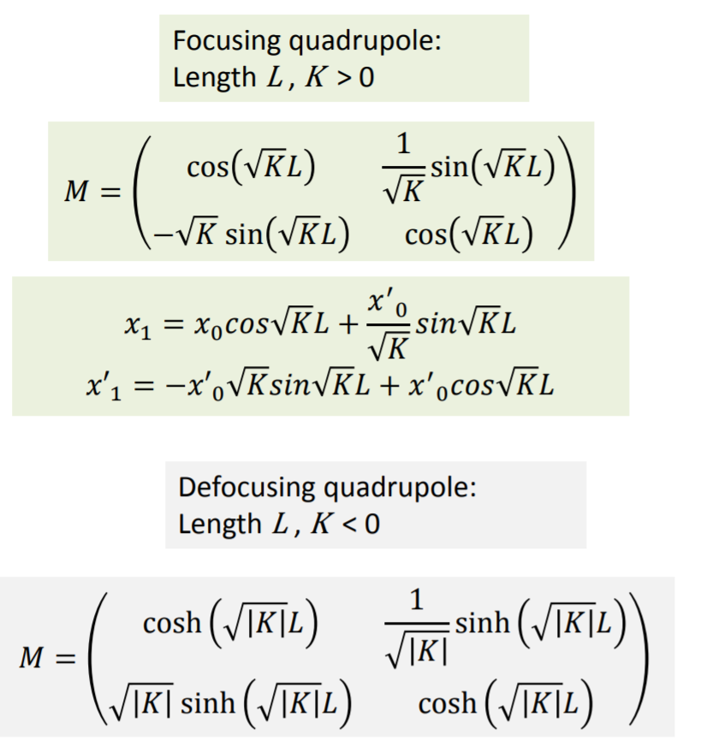
Q2 | 0.26 | 1.16 |  | 6.000 | 0.2100 | 1.21 | 0.28 |  | 0.07 | 0.74 | 22.33 | 0.94 | 0.80 | 0.24 |  | 10.23 | -7.28 | 5.28 | 0.16
 |  |  |  |  |  | 1.67 | 1.21 |  |  |  |  |  | -1.46 | 0.80
Beampipe | 0.80 | 1.42 |  |  |  | 1.00 | 0.80 |  | 1.33 | -6.22 | 29.89 | 2.92 | 1.00 | 0.80 |  | 9.76 | 8.82 | 8.07 | 0.18
 |  |  |  |  |  | 0.00 | 1.00 |  |  |  |  |  | 0.00 | 1.00
Octupole1 | 0.30 | 2.22 |  |  |  | 1.00 | 0.30 |  | 30.42 | -30.14 | 29.89 | 3.04 | 1.00 | 0.30 |  | 0.82 | 2.37 | 8.07 | 0.47
 |  |  |  |  |  | 0.00 | 1.00 |  |  |  |  |  | 0.00 | 1.00
Beampipe | 0.20 | 2.52 |  |  |  | 1.00 | 0.20 |  | 51.19 | -39.10 | 29.89 | 3.05 | 1.00 | 0.20 |  | 0.12 | -0.05 | 8.07 | 1.69
 |  |  |  |  |  | 0.00 | 1.00 |  |  |  |  |  | 0.00 | 1.00
Q3 | 0.26 | 2.72 |  | -6.278 | -0.2197 | 0.80 | 0.24 |  | 68.03 | -45.08 | 29.89 | 3.05 | 1.22 | 0.28 |  | 0.47 | -1.67 | 8.07 | 2.67
 |  |  |  |  |  | -1.52 | 0.80 |  |  |  |  |  | 1.75 | 1.22
Beampipe | 0.30 | 2.98 |  |  |  | 1.00 | 0.30 |  | 62.12 | 64.50 | 67.00 | 3.06 | 1.00 | 0.30 |  | 2.46 | -7.04 | 20.56 | 2.93
 |  |  |  |  |  | 0.00 | 1.00 |  |  |  |  |  | 0.00 | 1.00
Q4 | 0.26 | 3.28 |  | 2.860 | 0.1001 | 1.10 | 0.27 |  | 29.44 | 44.40 | 67.00 | 3.06 | 0.90 | 0.25 |  | 8.53 | -13.21 | 20.56 | 3.00
 |  |  |  |  |  | 0.77 | 1.10 |  |  |  |  |  | -0.72 | 0.90
Beampipe | 0.80 | 3.54 |  |  |  | 1.00 | 0.80 |  | 14.16 | 18.13 | 23.28 | 3.08 | 1.00 | 0.80 |  | 14.31 | -7.54 | 4.05 | 3.02
 |  |  |  |  |  | 0.00 | 1.00 |  |  |  |  |  | 0.00 | 1.00
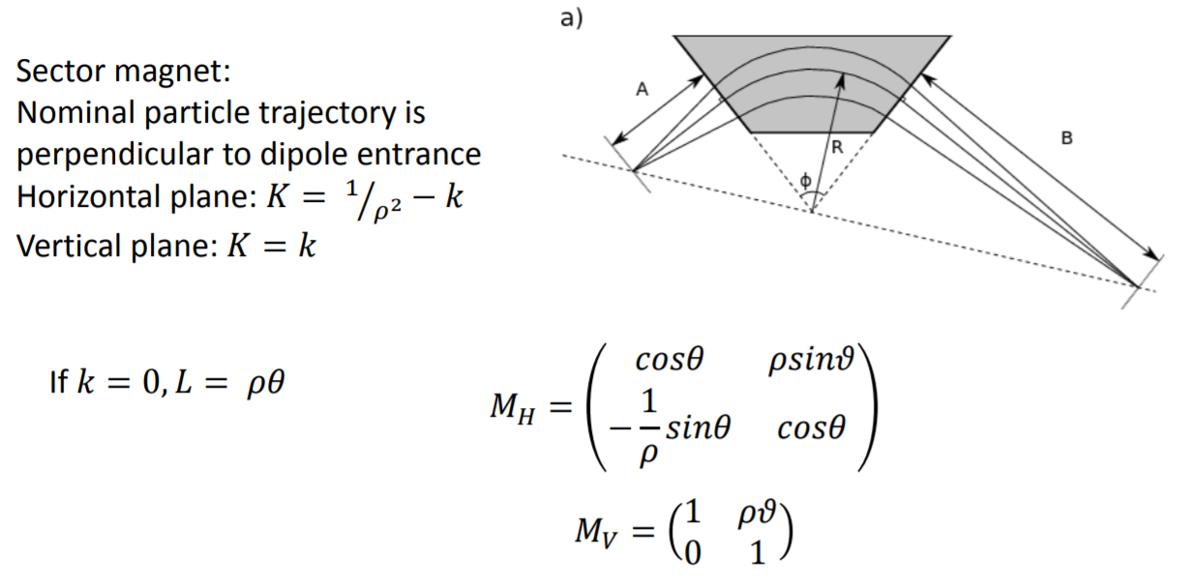
Octupole2 | 0.30 | 4.34 |  |  |  | 1.00 | 0.30 |  | 0.05 | -0.50 | 23.28 | 5.13 | 1.00 | 0.30 |  | 28.97 | -10.78 | 4.05 | 3.06
 |  |  |  |  |  | 0.00 | 1.00 |  |  |  |  |  | 0.00 | 1.00
Beampipe | 0.20 | 4.64 |  |  |  | 1.00 | 0.20 |  | 2.45 | -7.48 | 23.28 | 6.03 | 1.00 | 0.20 |  | 35.80 | -12.00 | 4.05 | 3.07
 |  |  |  |  |  | 0.00 | 1.00 |  |  |  |  |  | 0.00 | 1.00
Dipole | 0.30 | 4.84 | 15 |  |  | 0.97 | 0.30 |  | 6.37 | -12.13 | 23.28 | 6.08 | 1.00 | 0.30 |  | 40.77 | -12.81 | 4.05 | 3.07
 |  |  |  |  |  | -0.23 | 0.97 |  |  |  |  |  | 0.00 | 1.00
Beampipe | 1.50 | 5.14 |  |  |  | 1.00 | 1.50 |  | 14.94 | -15.79 | 16.75 | 6.11 | 1.00 | 1.50 |  | 48.82 | -14.02 | 4.05 | 3.08
 |  |  |  |  |  | 0.00 | 1.00 |  |  |  |  |  | 0.00 | 1.00
Target | 0.00 | 6.64 |  |  |  | 1.00 | 0.00 |  | 99.99 | -40.91 | 16.75 | 6.15 | 1.00 | 0.00 |  | 100.00 | -20.10 | 4.05 | 3.10
 |  |  |  |  |  | 0.00 | 1.00 |  |  |  |  |  | 0.00 | 1.00

 |  |  |  |  | K_OCT[T/m^3]= |  |  | 1780 |  |  |  |  |  |  | -2593
γ= | 20.569471624
β= | 0.99881755602
p= | 10.498571331 | MeV
Bρ= | 0.034995237771 | T m
B= | 0.030539106081 | T
Beam energy | 10 | MeV
Rest mass | 0.511 | MeV
Emittance | 1 | mm mrad
ρ= | 1.1459
Pi ρ/12= | 0.3000

